Sheet1
ID | Test Case | Test Case Type | Test Description | Expected Result | Status | Notes
1 | Home Page | Non-Functional (Responsive Design) | Reduce the webpage size/browse the webpage on mobile | The page still display all the inforamtions and the navbar collapose in one button. | Pass. But still has minor display bugs on Iphone 13. | 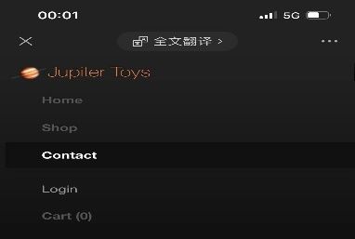
2 |  | Functional (Buttons) | Click the 'Start Shopping' button, navbar buttons,and the logo button. | All the button can redirect to correct page | Pass
3 | Shop Page | Functional (Buttons) | Click all the 'Buy' button | All buttons work well, and after click 'Buy' button once, the number in cart plus 1. And a message prompt user that the itemhas added to cart | Partial Pass.The function performs well. But there is no notification prompt user that the item has already been added to cart,user do not know whether they success or not
4 | Contact | Functional (Usability) | Follow the placeholder hints, fill in the columns | After fill in all the mandatory columans and click the submit button, user receive a notification/message/email shows that the feedback has submited | Pass
5 |  |  | Mandatory input notice and error message notice | Can not submit the feedback, after click the submit button, highlight the mandatory columns and gives message prompt user to fill in | Pass
6 |  | Non-Functional (Display and Responsive Design) | Notice message box occurs, scroll the page. | The notification message box position stay stable. | Fail. The message box sliding when user scolls the page and it blocks part of the navbar menu on mobile version and reduction page. | 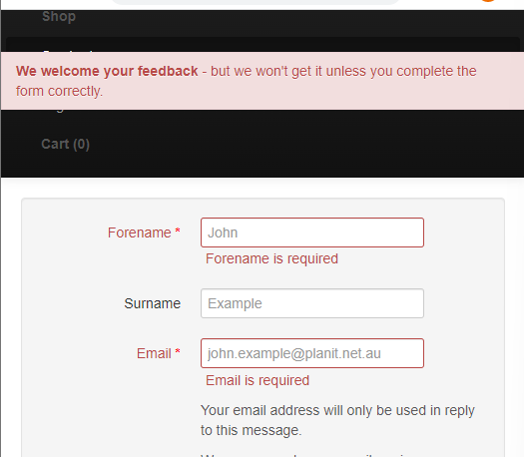
7 |  | Functional (Validation) | Fill in the column with 65 or more characters as forename, email without '@' 20 digits telephone, message with dirty words. | Every column has character limition and validation,such as a limited range digits for phone,must contain '@' for email, and a limited range characters for Forename. Plus, the message column should give notification says sensitive character detected, please check your message | Fail, only Email column has validation | 
8 | Login | Functional (Valid Login) | Login with correct 'Username' and 'Password' | Correct Notification; Correct redirect; | Can not confirm, there is no 'Sign up' Page
9 |  | Functional (Invalid Login) | Login with correct 'Username' and Wrong or blank 'Password' | No redirect; Notification shows please check your Password, and display a button to change password | Partial Pass, correct response but inappropriate notification
10 |  |  | Login with non-exist 'Username' and 'Password' | No redirect; Notification shows we do not recognize this username in our website,please sign up now, and display a button to sign up | Partial Pass, correct response but inappropriate notification
11 |  |  | Login with blank 'Username' and 'Password' | No redirect;Notification shows please enter your login details or sign up now, and display a button to sign up | Partial Pass, correct response but inappropriate notification
12 |  | Functional (Validation) | Login with 128 cahracters or more 'Username' and 'Password' | No redirect; Notification shows the username is under a limited range characters, and the password is under a limited range characters; | Partial Pass, correct response but inappropriate notification
13 |  | Functional (Security) | Login with xss attacks or sql injection | No redirect; Notification shows we do not recognize this username in our website,please sign up now, and display a button to sign up. And if recognize sensitive symbol such as ';', send a report to developer team | Partial Pass, correct response but inappropriate notification. And do not know whether it send report to developer team
14 | Cart | Functional | Go to cart page when cart is empty | Notification shows the cart is empty and shows a button to start shopping | Pass
15 |  | Functional | Go to cart page after 'Buy' 1 or more products on shop page | Cart correct shows the number of the products, unit price, total cost, etc. And the cart link in nav bar highlight after each time user click 'Buy'. | Fail. The cart can not calculate the correct total price if user add 7 or more unique products into cart at a time(There are some other scenarios also trigger this bug). The cart will keep highlighting if user click 'Buy' button in a high frequency
16 |  | Functinal (Buttons & Links) | Click on the red button (Remove Item), Check out, Empty Cart, 'Checkout' Link, and 'Shopping' Link | All the buttons and links works well, and redirect to correct page | Pass
17 |  | Validation | Update the quantity number, start from 0 to infinity | If user enter 0, trigger Remove Item function. And if the number user entered exceed the storage of the product or the number is non-sense, user can not proceed to check out. | Partial Pass. If user enter 0, user can not check out but did not trigger Remove Item function. | 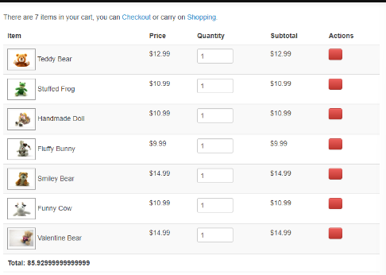
18 | Check Out | Functional (Usability) | Follow the placeholder hints, fill in the columns | After fill in all the mandatory columans and click the submit button, user receive a notification/message/email shows that the order has completed. | Pass
19 |  |  | Mandatory input notice and error message notice | Can not check out, after click the submit button, highlight the mandatory columns and gives message prompt user to fill in | Pass
20 |  | Non-Functional (Display and Responsive Design) | Notice message box occurs, scroll the page. | The notification message box position stay stable. | Fail. The message box sliding when user scolls the page and it blocks part of the navbar menu on mobile version and reduction page. | 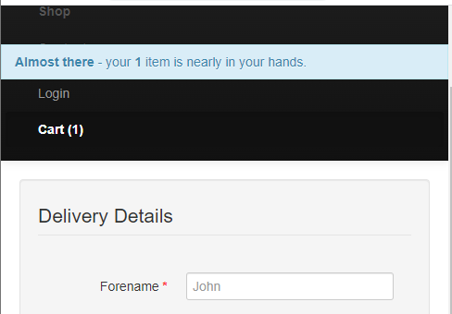
21 |  | Functional (Validation) | Fill in the column with 65 or more characters as forename, email without '@' 20 digits telephone, fabricated address, fabricated card number. | User can not click submit button to complete order. AndEvery column has character limition and validation,such as a limited range digits for phone,must contain '@' for email, and a limited range characters for Forename. The address should be verified via other plugins, limited range digits for card number. | Fail, orders can be checked out without correctly fill in the email column(mandatory column) . Only Email column has validation. | 